Request Entry
 | Request Entry screen – required for entry of every sample onto LIS.

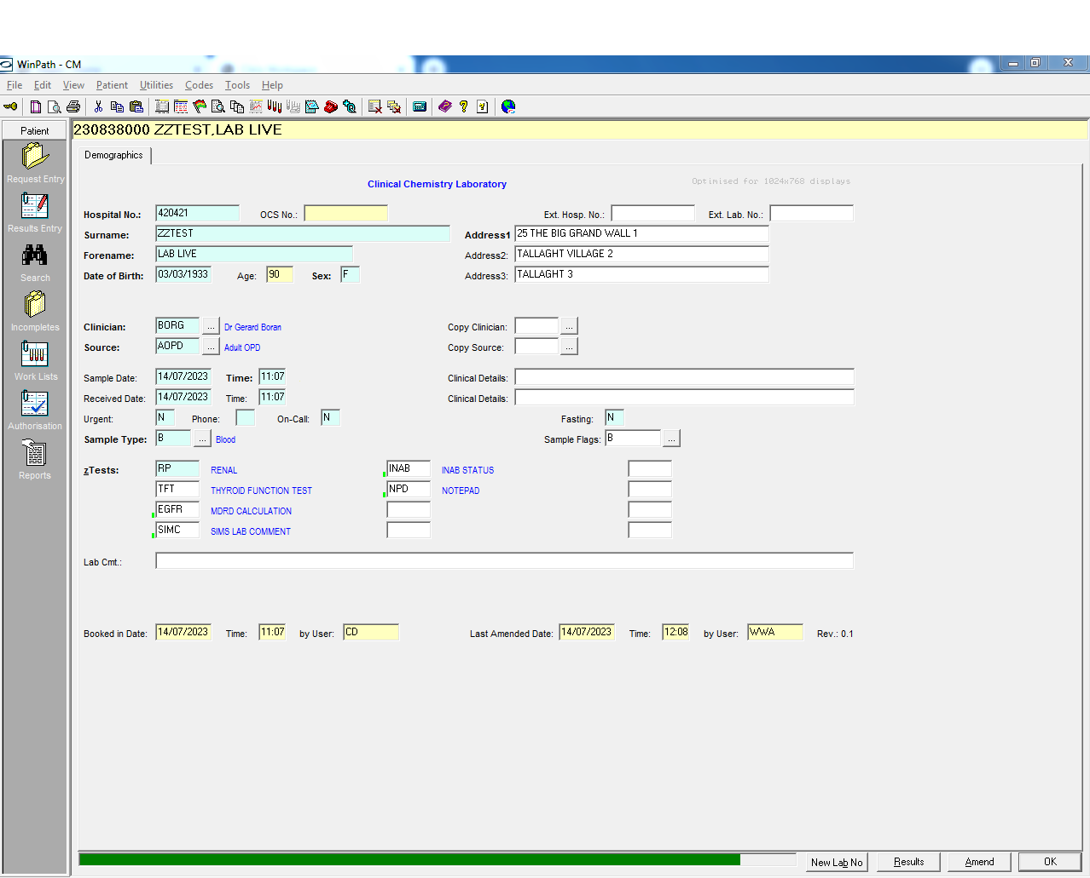

1
7
8
9
2
3
7
10
11
4
5
6
12

13
15
16
14
18
17
19
20
21
22
23
24
25
26
27
28
29

30

31
32
33
34
35
36

Number | Field description | Details | Required | Data available in .csv | Data will be provided | Additional Information required | Comment
1 | Hospital Number/MRN (Medical Record Number) | Unique to each patient – for use in Tallaght Hospital only | Y | Y | N |  | Data will be anoymised
2 | Surname |  | Y | Y | N |  | Not Provided
3 | Forename |  | Y | Y | N |  | Not provided
4 | Date of Birth |  | Y | Y | N |  | Data will be anoymised
5 | Age |  | Y | N | N |  | Can be calculated
6 | Gender/Sex |  | Y | Y | Y
7 | OCS No | Place for electronic ICE number for electronic requests | Y | N | N |  | Need a holder for this for future proofing
8 | Ext Hosp No | Place for MRN for external hospital requests - Not used at TUH | N | N | N
9 | Ext Lab No | Place for Lab for external hospital requests- Not used in TUH | N | N | N
10 | Address 1 | 1st line of patients address | Y | Y | N |  | Need a holder for this for future proofing
11 | Address 2 | 2nd line of patients address | Y | Y | N |  | Need a holder for this for future proofing
12 | Address 3 | 3rd Line of patients address | Y | Y | N |  | Need a holder for this for future proofing
13 | Clinician | Requesting Clinician 4 letter code | Y | Y | Y | need the clinician code table In addition the Clinical class e.g. GP, Cons and speciality will be provided in csv not seen in request entry screen
14 | Source | Source location 4 letter code of request origin | Y | Y | Y | need the source code table In addition the sourceclass e.g. GP, ward, aopd will be provided in csv not seen in request entry screen
15 | Copy Clinician | Used when copy of report needs to be sent to another clinician | N | N | N
16 | Copy Source | Copy source location of clinician above | N | N | N
17 | Sample Date | Date sample taken | Y | Y | Y |  | If this is not provided will default to received date
18 | Time | Time sample taken | Y | Y | Y |  | If this is not provided will default to received date
19 | Received date | Date sample Booked in | Y | Y | Y
20 | Time | Time sample booked in | Y | Y | Y
21 | Clinical Details | Provided by clinician - on ICE | N | N | N
22 | Clinical details | Provided by clinician - on ICE | N | N | N
23 | Urgent | Flag Y/N if sample is urgent - not used | N | N | N
24 | Phone | Flag to add sample to phone queue for phoning Y/N | N | N | N |  | Not used at request entry decision is usually made at authorisation
25 | Oncall | Flag to indicate sample is requested during oncall period Y/N- Not used | N | N | N
26 | Fasting | Flag to indicate if patient is fasting - Y/N | N | N | N
27 | Sample Type | If sample is blood, Urine etc.. | N | N | N |  | Can tell this information by the test request
28 | Sample Flags | Specific information held in flag database- Not used | N | N | N
29 | zTests | Tests requests- these are test Library Codes (TLC). TLC may include more than one tests called Test Format Codes (TFC) | Y | Y | Y
30 | Lab Cmt | Field for laboratory comments- not used | N | N | N
31 | Booked in date | Same as field 19 | N | N | N
32 | time | Same as Field 20 | N | N | N
33 | By | Holds the information for code of user who booked in patient details | N | N | N |  | Each user is identified by three letter code. Details of user held in separate security table
34 | Last Amended | Date the record was last amended | N | N | N
35 | Time | Time the record was last amended | N | N | N
36 | ByUser | Code of the user who last amended the record | N | N | N

